Upper low fr envelope
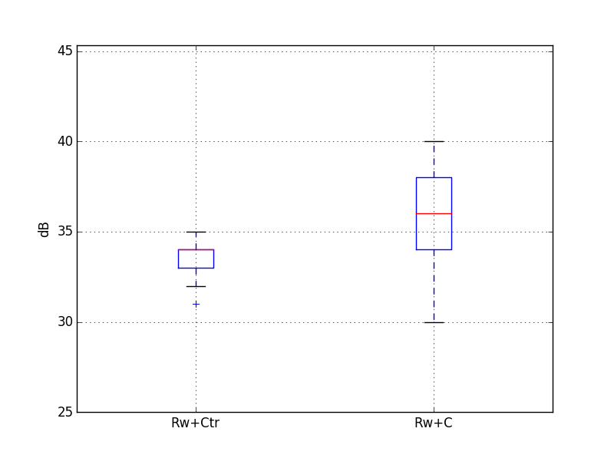
 |  |  |  |  |  |  |  |  |  |  |  |  | 12500 | 16000 | 20000 | A
 |  |  |  | Target |  | 35 | dB
Guest room at the corner |  |  |  | required Rw+Ctr |  | 32 | dB
Volume, V /m3 | 45.0 |  |  | required Rw+C |  | 37 | dB
Window area, S /m2 | 2.4
Reverberation Time, T /s | 0.5 |  | -4.7403126773 |  |  | 30

Octave centre frequency | dB(A) | 125 Hz | 250 Hz | 500 Hz | 1 kHz | 2 kHz
L1in /dB(A) | 70 | 60 | 63 | 65 | 64 | 59
8/16/8.8 (44.2) |  | 26 | 26 | 34 | 41 | 41 |  | Rw+Ctr=32
Equation 1, L2 /dB(A) | 35 | 30 | 32 | 27 | 18 | 13

Octave centre frequency | dB(A) | 125 Hz | 250 Hz | 500 Hz | 1 kHz | 2 kHz
L1in /dB(A) | 70 | 60 | 63 | 65 | 64 | 59
4/16/8 |  | 25 | 22 | 32 | 41 | 45 |  | Rw+Ctr=30
Equation 1, L2 /dB(A) | 38 | 31 | 36 | 29 | 18 | 9 |  |  |  | Rw+C statistics |  | Rw+Ctr statistics
 |  |  |  |  |  |  |  |  | count | 20000 | count | 20000.0

